INDEX
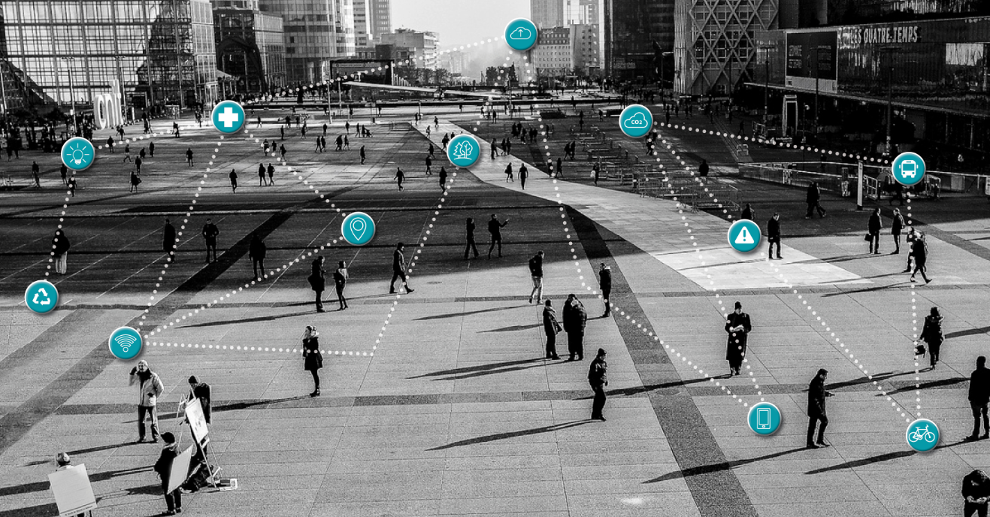

JANUARY - JUNE 2017 RESULTS

1. KPIs

2. Income Statement

3. Balance Sheet

4. Cash Flow

5. Debt Structure

6. Corporate Structure

7. Shareholder Structure

6.Corporate Structure
Cellnex Telecom, S.A.

Retevision-I, S.A.U.
100%
Tradia, S.A.U.
100%
On Tower, S.A.U.
100%
Cellnex UK, Limited
100%
Cellnex Italia, S.r.L.
100%
Cellnex Netherlands B.V.
100%
Cellnex France, S.A.S.
100%
Cellnex France Groupe
100%
Shere Group Limited
100%
Cellnex Switzerland
54%

Torre de Collserola, S.A.
41.75%
Consorcio de Telecomunicaciones Avanzadas, S.A.
29.50%
TowerCo, S.p.A.
100%
Towerlink Netherlands
100%
Infr'asset 100%
Shere Midco Limited
100%

Gestora del Espectro, S.L.
100%
Adesal Telecom, S.L.
60.08%
Galata, S.p.A.
90%
Watersite Holding Limited
100%
Radiosite Limited
100%
QS4 Limited
100%
Shere Consulting Limited
100%
Shere Group Netherlands
100%

TowerLink Italia S.r.L
100%
Shere Masten
100%

CommsCon Italia S.r.L
100%

OnTower Italia 100%

7.Shareholders
 | As of 28 July 2017

 | Source: CNMV

Abertis | 34% | Abertis | 34.0%
Blackrock | 6% | Threadneedle | 7.8%
MFS | 5.1% | Blackrock | 6.2%
Criteria | 5.0% | Criteria | 4.6%
Threadneedle | 4.9% | Cantillon Capital | 3.0%
Cantillon Capital | 3.0%
Fidelity | 2.0%
Free Float | 40.0% | Free Float | 37.7%

