Index
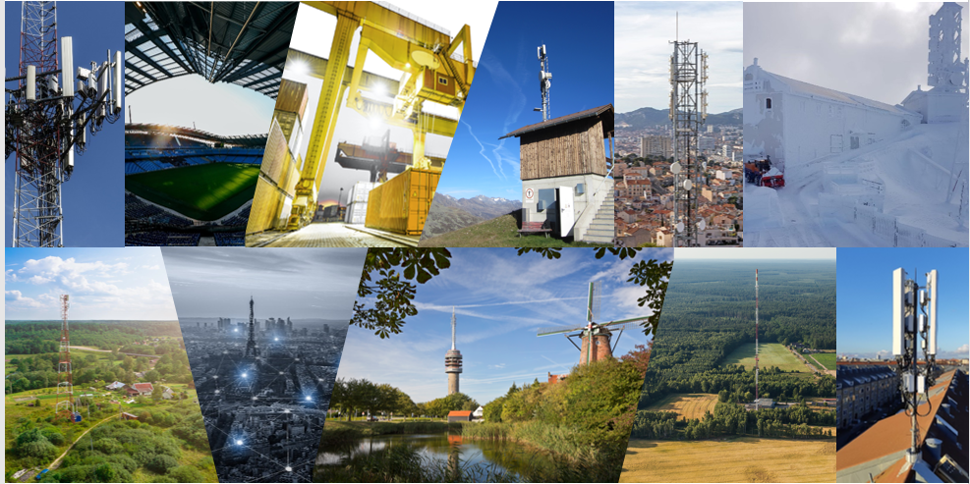

JANUARY - MARCH 2021 Results

1. KPIs

2. M&A and BTS Tracker

3. Income Statement

4. Balance Sheet

5. Cash Flow

6. Debt Structure

7. Corporate Structure

8. Shareholder Structure

7.Corporate Structure
As of 31 March 2021

Shareholdings inside the box are Cellnex Telecom shareholdings
⁽¹⁾ Tradia has 21.97% and Nearby Sensor 5.01% of Nearby Computing

8.Shareholders
 | As of 29 April 2021

 | Source: CNMV

 | Edizione | 8.5%
 | GIC | 7.0%
 | CPPIB | 5.0%
 | ADIA | 5.0%
 | Criteria Caixa | 4.8%
 | Wellington | 4.3%
 | Capital Research & Management | 3.9%
 | BlackRock | 3.8%
 | FMR | 3.2%
 | Norges Bank | 3.0%
 | Free Float | 51.5%

Free Float

