Cover
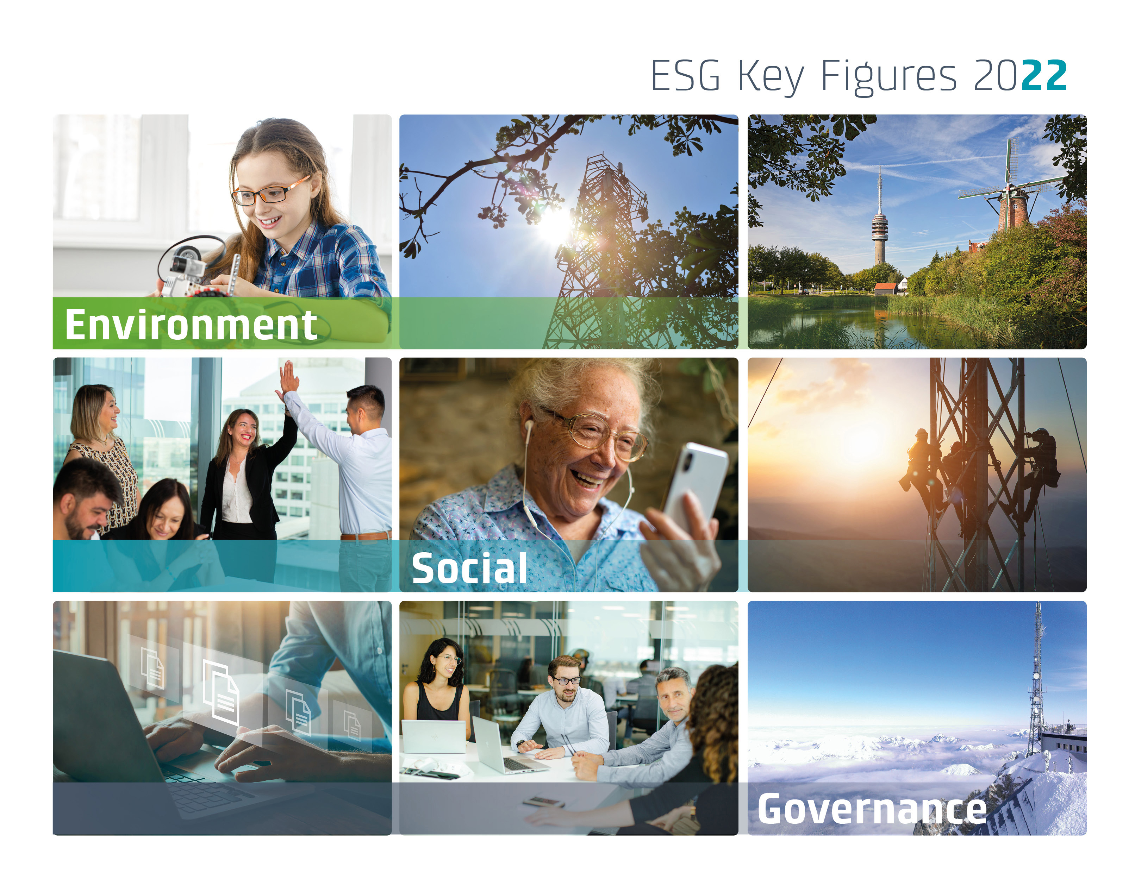

ENVIRONMENT ->
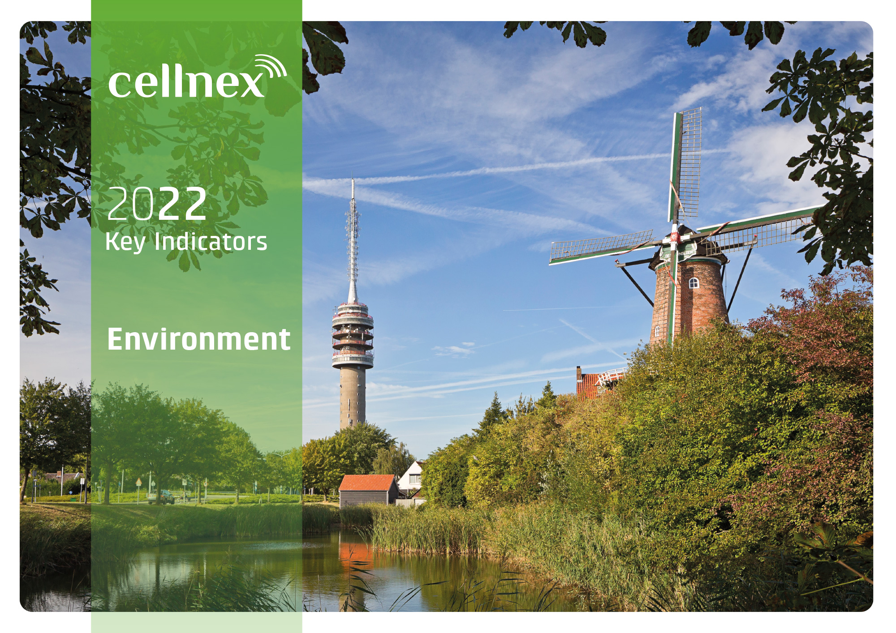
 | ENVIRONMENT
 | Resources
 | Climate Change
 | Biodiversity
 | EU Taxonomy
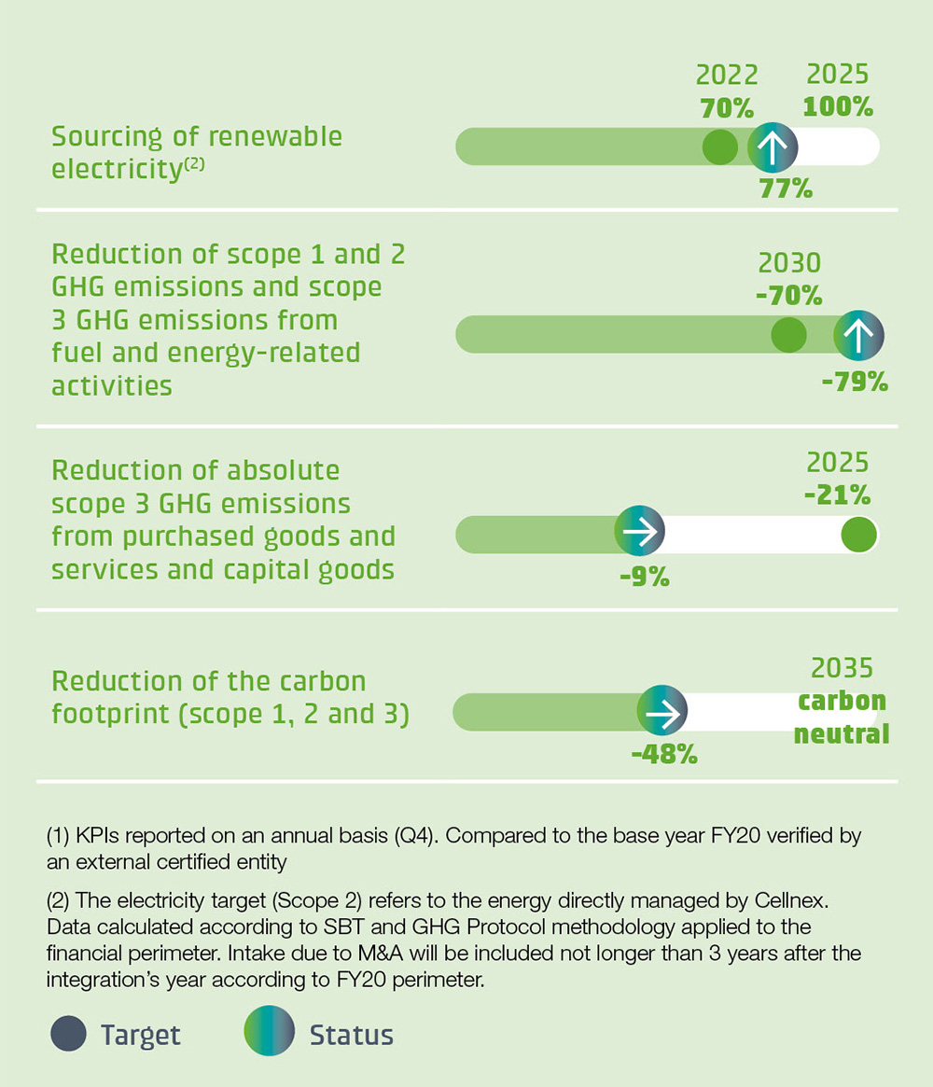

One of the main goals of Cellnex ESG Master Plan is to continue growing with a long-temr sustainable enviromental approach and, as part of Cellnex commitement to the enviroment and combatting climate change. Cellnex has adapted its business model to incorporate the measurement, reduction and mitigation of impacts caused by its activity that may've consequences on the enviroment and the biodiversity of the areas where the company operates. To strengthen Cellnex’s ESG strategy in 2022 the new Environment & Climate Change strategy for 2023-2025 has been redefined to reduce, offset and neutralise climate impacts throughout the value chain. In 2022 Cellnex has commited to achieve carbon neutrality by 2035 and net-zero by 2050.

Resources
Use of resources (1)

Energy consumption within the organization (GRI 302-1)
Evolution of the electricity consumption (MWh)
Consumption by source in 2022 (MWh)
 | Total energy consumption by source (MWh)
Gasoline | 637
Diesel | 3,367
Natural Gas | -
Electricity | 1,295,124
District heating/cooling | 2,064
Renewable electricity in 2022 (MWh)
Total energy consumption by source (MWh) | 2022 | 2021 | 2020
Gasoline | 637 | 397 | 360
Diesel | 3,367 | 2,666 | 3,017
Natural Gas | - | 0.2 | 1
Electricity | 1,295,124 | 1,223,051 | 1,150,553
Grid electricity | 1,293,359 | 1,222,574 | 1,150,278
Self-generated electricity (2) | 1,765 | 477 | 275
District heating/cooling | 2,064 | 1,303 | 1,303
Total | 1,301,193 | 1,227,417 | 1,155,234

Electricity consumption (MWh) | 2022 | 2021 | 2020
No Renewable | 293,822 | 726,423 | 1,034,904
Renewable | 1,001,302 | 496,628 | 115,649
Total | 1,295,124 | 1,223,051 | 1,150,553

Renewable energy consumption (MWh) | 2022 | 2021 | 2020
Renewable grid electricity | 999,537 | 496,151 | 115,374
Self-generated electricity (3) | 1,765 | 477 | 275
Total | 1,001,302 | 496,628 | 115,649

Water consumption (GRI 303-5)

Water consumption by source (m3) | 2022 | 2021 | 2020
Water (supply network) | 1,939 | 10,184 | 11,385
Water (rainwater) | 256 | 854 | 926
Total | 2,195 | 11,038 | 12,311

Waste (GRI 306-3, 306-4, 306-5) (4)
Evolution of waste by type of treatment (t)
 | Non-hazardous | Hazardous
2022 | 127.38 | 39.62
2021 | 158.33 | 39.55
2020 | 134.41 | 42.74
Waste generated (t) | 2022 |  |  | 2021 |  |  | 2020
 | Non-hazardous | Hazardous | Total | Non-hazardous | Hazardous | Total | Non-hazardous | Hazardous | Total
Elimination | 1.80 | 0.51 | 2.31 | 9.99 | 0.95 | 10.93 | 0.49 | 1.02 | 1.50
Recovery | 124.10 | 39.10 | 163.20 | 148.35 | 38.61 | 186.96 | 133.93 | 41.72 | 175.65
Total | 125.90 | 39.62 | 165.51 | 158.33 | 39.55 | 197.89 | 134.41 | 42.74 | 177.15

Waste by type of treatment (t) | 2022 |  |  | 2021 |  |  | 2020
 | Non-hazardous | Hazardous | Total | Non-hazardous | Hazardous | Total | Non-hazardous | Hazardous | Total
Spain | 125.90 | 39.62 | 165.52 | 158.33 | 39.55 | 197.89 | 134.41 | 42.74 | 177.15
Rest of the countries | 1.48 | - | 1.48 | - | - | - | - | - | -
Total | 127.38 | 39.62 | 166.99 | 158.33 | 39.55 | 197.89 | 134.41 | 42.74 | 177.15

(1) According to the GHG Protocol, the carbon footprint data reported for years 2020 and 2021 has been recalculated according to the reporting year.perimeter, taking into account 2020 as base year.
(2) Spain is the only country with Self-generated electricity consumption.
(3) Self-generated electricity corresponds to self-consumed electricity.
(4) Waste arising from Cellnex's activities is mainly generated by its suppliers and subcontractors. Therefore, it is the suppliers who are responsible for managing the waste in Cellnex activities/facilities under their responsibility. Cellnex has only maintained ownership and management of waste in some parts in Spain and in Italy's offices.These quantities do not represent a significant impact and are therefore considered a non-material environmental aspect

Climate change
Climate change (1)

Emissions (GRI 305-1, 305-2, 305-3, 305-4, 305-5)
GHG emissions in 2022 (tCO2e)
Evolution of the Intensity emissions (tCO2e)
GHG Emissions by scope (t CO2e) | 2022 | 2021 | 2020
Scope 1 | 3,212 | 3,623 | 3,940
Scope 2 | 48,329 | 326,857 | 432,160
Scope 3 | 506,470 | 600,929 | 629,210
Total (Market-based) | 558,011 | 931,409 | 1,065,310

Emission intensity (t CO2e) | 2022 | 2021 | 2020
GHG emissions (Scope 1+2) by site (tCO2e/site) | 0.49 | 3.28 | 4.98
GHG emissions (Scope 1+2+3) by site (tCO2e/site) | 5.27 | 9.25 | 12.18
GHG emissions (Scope 1+2) by operating income (tCO2e/€Mn) | 14.53 | 103.83 | 137.71
GHG emissions (Scope 1+2+3) by site operating (tCO2e/€Mn) | 157.26 | 292.63 | 336.39

Breakdown of scope 3 GHG emissions in 2022 (tCO2e)
GHG Emissions by scope and category (t CO2e) | 2022 | 2021 | 2020
Scope1 | 3,212 | 3,623 | 3,940
Scope 2 (Market-based) | 48,329 | 326,857 | 432,160
Scope 2 (Location-based) | 340,262 | 339,190 | 336,670
Scope 3 Total | 506,470 | 600,929 | 629,210
3.1. Goods and services purchased | 32,724 | 31,963 | 37,138
3.2. Capital goods | 40,807 | 43,755 | 43,819
3.3 Fuel and energy-related activities | 57,079 | 102,419 | 88,937
3.4. Transport and distribution upstream | 132 | 14,256 | 16,140
3.5. Waste generated in operations | 33 | 4,750 | 4,798
3.6. Business trips | 1,147 | 45,318 | 56,785
3.7. Displacement of employees | 2,553 | 2,159 | 1,553
3. 8. Leased assets upstream | 107,265 | 109,271 | 114,808
3.13. Leased assets downstream | 264,729 | 310,719 | 342,177
Total (Market-based) | 558,011 | 931,409 | 1,065,310

GHG emission offseting programs (t CO2e) | 2022 | 2021 | 2020
Emissions offsetting | 3,212 | 3,494 | 2,850
Total emissions - offset emissions | 554,799 | 927,915 | 1,062,460

 | 2022 |  |  |  | 2021 |  |  |  | 2020
GHG Emissions by country and scope (t CO2e) | Scope 1 | Scope 2 | Scope 3 | TOTAL | Scope 1 | Scope 2 | Scope 3 | TOTAL | Scope 1 | Scope 2 | Scope 3 | TOTAL
Spain | 1,519 | 5 | 36,883 | 38,407 | 1,887 | 33,723 | 51,586 | 87,196 | 1,990 | 79,019 | 55,838 | 136,847
Italy | 961 | 40,954 | 59,119 | 101,033 | 1,127 | 110,444 | 69,841 | 181,413 | 1,114 | 167,695 | 66,857 | 235,666
France | 31 | - | 32,937 | 32,968 | 73 | - | 40,458 | 40,531 | 72 | - | 39,827 | 39,899
Switzerland | - | - | 5,723 | 5,723 | - | - | 14,284 | 14,284 | - | - | 12,943 | 12,943
Netherlands | 172 | - | 24,394 | 24,566 | 151 | 2,762 | 33,369 | 36,282 | 377 | 5,430 | 42,536 | 48,342
UK | - | 3 | 42,758 | 42,762 | - | - | 58,316 | 58,316 | - | - | 61,015 | 61,015
Ireland | - | 353 | 8,373 | 8,726 | - | 128 | 6,677 | 6,805 | - | 215 | 6,849 | 7,064
Portugal | - | - | 31,228 | 31,228 | - | - | 36,885 | 36,885 | - | - | 41,394 | 41,394
Austria | 88 | - | 25,080 | 25,168 | 110 | - | 26,223 | 26,333 | 110 | - | 30,454 | 30,564
Denmark | 4 | - | 2,845 | 2,849 | 5 | 15 | 4,361 | 4,381 | 5 | 15 | 5,755 | 5,775
Sweden | 8 | - | 1,044 | 1,051 | 7 | - | 1,306 | 1,313 | 9 | - | 1,435 | 1,443
Poland | 429 | 7,014 | 236,089 | 243,532 | 263 | 179,786 | 257,623 | 437,671 | 264 | 179,786 | 264,308 | 444,357
Total | 3,212 | 48,329 | 506,470 | 558,011 | 3,623 | 326,857 | 600,929 | 931,409 | 3,940 | 432,160 | 629,210 | 1,065,310

(1) According to the GHG Protocol, the carbon footprint data reported for years 2020 and 2021 has been recalculated according to the reporting year perimeter, taking into account 2020 as base year.

Biodiversity
Biodiversity

Impacts of activities, products and services on biodiversity (GRI 304-2)

Sites analysed in 2022
 | 2022 | 2021 | 2020
Total analysed sites | 84,428 | 84,599 | 44,732
Not affected | 78,474 | 78,722 | 41,984
Affected | 5,954 | 5,877 | 2,748
% of sites in protected areas | 7% | 7% | 6%
 |  |  |  |  |  |  |  | 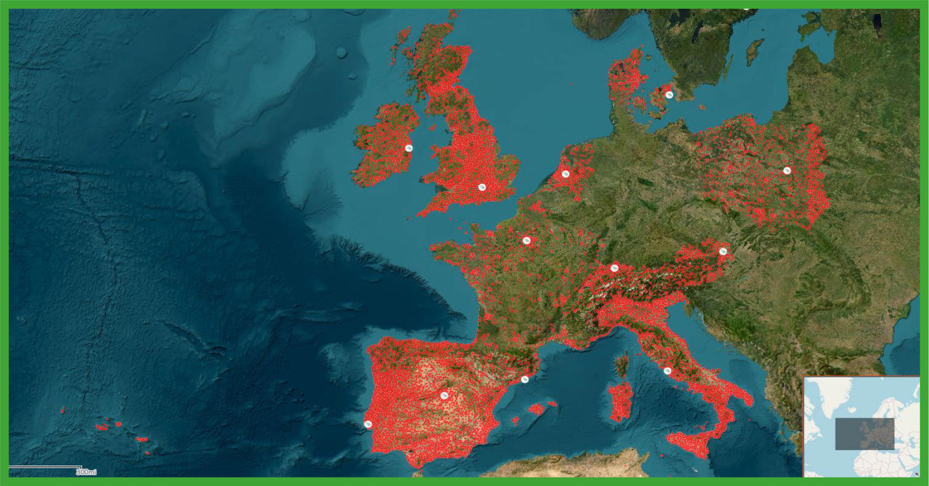
 | 2022 |  |  |  | 2021 |  |  |  | 2020
Country | Total analyzed sites | Not affected | Affected | % of sites in protected areas | Total analyzed sites | Not affected | Affected | % of sites in protected areas | Total analyzed sites | Not affected | Affected | % of sites in protected areas
Spain | 10,247 | 9,194 | 1,053 | 10% | 10,733 | 9,527 | 1,206 | 11% | 8,734 | 7,539 | 1,195 | 14%
Italy | 20,371 | 19,407 | 964 | 5% | 21,663 | 20,581 | 1,082 | 5% | 11,477 | 10,961 | 516 | 4%
France | 11,840 | 11,128 | 712 | 6% | 12,399 | 11,678 | 721 | 6% | 4,753 | 4,651 | 102 | 2%
Switzerland | 4,994 | 4,924 | 70 | 1% | 5,308 | 5,237 | 71 | 1% | 5,085 | 4,749 | 336 | 7%
Netherlands | 3,961 | 3,806 | 155 | 4% | 769 | 681 | 88 | 11% | 817 | 771 | 46 | 6%
UK | 9,257 | 8,365 | 892 | 10% | 9,236 | 8,346 | 890 | 10% | 8,419 | 8,323 | 96 | 1%
Ireland | 1,651 | 1,610 | 41 | 2% | 1,774 | 1,723 | 51 | 3% | 520 | 469 | 51 | 10%
Portugal | 5,719 | 5,210 | 509 | 9% | 5,958 | 5,443 | 515 | 9% | 4,927 | 4,521 | 406 | 8%
Austria | 4,698 | 4,236 | 462 | 10% | 3,189 | 2,880 | 309 | 10% | - | - | - | -
Denmark | 1,385 | 1,376 | 9 | 1% | 1,351 | 1,320 | 31 | 2% | - | - | - | -
Sweden | 2,437 | 2,413 | 24 | 1% | 5,308 | 5,237 | 71 | 1% | - | - | - | -
Poland | 7,868 | 6,805 | 1,063 | 14% | 6,911 | 6,069 | 842 | 12% | - | - | - | -
Total | 84,428 | 78,474 | 5,954 | 7% | 84,599 | 78,722 | 5,877 | 7% | 44,732 | 41,984 | 2,748 | 6%

EU Taxonomy
 | EU Taxonomy

 | The EU taxonomy is a classification system establishing a list of environmentally sustainable economic activities that will help to meet the EU’s climate and energy targets for 2030 and achieve the European green deal objectives. As such, the EU taxonomy establishes appropriate definitions of which economic activities can be considered environmentally sustainable. To assess the environmental sustainability of Cellnex's economic activity, a study was conducted on the following services, in which more specific economic activities were identified: Telecommunications Infrastructure Service (TIS), Audiovisual broadcasting networks and infrastructures, Network and other services, Investment in R&D&i. To assess the aligment of the economic activities Cellnex took into account: (1) the compliance of the Technical Screening Criteria (TSC) established for each activity, (2) Do Not Significant Harm (DNSH) to any of the other environmental objectives and (3) to be in accordance with the minimum guarantees established. Please note that Cellnex has not calculated the eligible Operating Expenditures (Opex) indicator based on the Taxonomy as it is not considered material for the business.

Operating income eligibility
Elegible operating income | 289,143,286
Non- elegible operating income | 3,206,036,714
Capex eligibility
Elegible Capex | 1.15%
Non-elegible Capex | 98.85%
Operating income alignment
Aligned operating income | 1.13%
Non- aligned operating income | 98.87%
Capex alignment
Aligned Capex | 0.10%
Non-aligned Capex | 99.90%

 | Economic Activities | Code(s) | Absolute turnover (EUR) | Proportion of turnover/CapEx/OpEx (%) | Substantial contribution criteria (%) |  |  |  |  |  | DNSH criteria ('Does not significant harm') |  |  |  |  |  | Minimum safeguards (Yes/No) | Taxonomy aligned proportion of turnover, year N (%) | Taxonomy aligned proportion of turnover, year N-1 (%) | Category (Enabling activity) | Category (Transitional activity)
 |  |  |  |  | Climate Change Mitigation | Climate Change Adaptation | Water and Marine Resources | Circular Economy | Pollution | Biodiversity & Ecosystems | Climate Change Mitigation | Climate Change Adaptation | Water and Marine Resources | Circular Economy | Pollution | Biodiversity & Ecosystems

 | Operating Income (Turnover)

 | A. Taxonomy-Elegible Activities
 | A.1 Turnover of enviromentally sustainable activities (Taxonomy-aligned)
 | Installation, maintenance and repair of instruments and devices to measure, regulate and control the energy efficiency of buildings | 7.5 | 132,497 | 0.00% | 100% | 0% |  |  |  |  | - | Yes | - | - | - | - | Yes | 0.00% | - | E
 | Data processing, hosting and related activities | 8.1 | 2,992,805 | 0.09% | 100% | 0% |  |  |  |  | - | Yes | Yes | Yes | - | - | Yes | 0.09% | - |  | T
 | Data-driven solutions to reduce greenhouse gas emissions | 8.2 | 920,119 | 0.03% | 100% | 0% |  |  |  |  | - | Yes | - | Yes | - | - | Yes | 0.03% | - | E
 | Radio and television programming and broadcasting activities | 8.3 | 35,278,843 | 1.01% | 0% | 100% |  |  |  |  | - | - | - | - | - | - | Yes | 1.01% | - | E
 | Radio and television programming and broadcasting activities | 8.3 | 201,370,553 | 5.76% | 0% | 100% |  |  |  |  | - | - | - | - | - | - | Yes | - | -
 | (A.1) Turnover of enviromentally sustainable activities (Taxonomy-aligned) |  | 240,694,816 | 6.89% | 0.12% | 6.77% |  |  |  |  |  |  |  |  |  |  | Yes | 1.13% | -
98.87% | A.2 Taxonomy-Eligible but not environmentally sustainable activities (not Taxonomy-aligned activities)
 | Installation, maintenance and repair of instruments and devices to measure, regulate and control the energy efficiency of buildings | 7.5 | 14,559 | 0.00%
 | Data processing, hosting and related activities | 8.1 | 22,322,618 | 0.64%
 | Data-driven solutions to reduce greenhouse gas emissions | 8.2 | 108,752 | 0.00%
 | Radio and television programming and broadcasting activities | 8.3 | 26,002,542 | 0.74%
 | (A.2)Taxonomy-Eligible but not environmentally sustainable activities (not Taxonomy-aligned activities) |  | 48,448,469 | 1.39%
 | Total (A1+A2) |  | 289,143,286 | 8.27%

 | B. Taxonomy-Non-Elegible Activities
 | (B) Turnover of Taxonomy-non-elegible activities |  | 3,206,036,714 | 91.73%
 | Total (A+B) |  | 3,495,180,000 | 100%

 | CAPEX

 | A. Taxonomy-Elegible Activities
 | A.1. Enviromental & sustainable activities (ajusted to taxonomy)
 | A.1 CapEx of enviromentally sustainable activities (Taxonomy-aligned)
 | Installation, maintenance and repair of energy efficiency equipment | 7.3 | 1,887,295 | 0.03% | 100% | 0% |  |  |  |  | - | - | - | - | - | - | Yes | 0.03% | - | E
 | Installation, maintenance and repair of renewable energy technologies | 7.6 | 1,770,921 | 0.02% | 100% | 0% |  |  |  |  | - | - | - | - | - | - | Yes | 0.02% | - |  | T
 | Data processing, hosting and related activities | 8.1 | 127,820 | 0.00% | 100% | 0% |  |  |  |  | - | Yes | Yes | Yes | - | - | Yes | 0.00% | - | E
 | Data-driven solutions to reduce greenhouse gas emissions | 8.2 | 59,661 | 0.00% | 0.00% | 100% |  |  |  |  | - | Yes | - | Yes | - | - | Yes | 0.00% | - | E
 | Radio and television programming and broadcasting activities | 8.3 | 3,997,159 | 0.05% | 0.00% | 100% |  |  |  |  | - | - | - | - | - | - | Yes | 0.05% | -
99.90% | (A.1) CapEx of enviromentally sustainable activities (Taxonomy-aligned) |  | 7,842,855 | 0.10% | 0.05% | 0.05% |  |  |  |  |  |  |  |  |  |  | Yes | 0.10%
 | A.2 Taxonomy-Eligible but not environmentally sustainable activities (not Taxonomy-aligned activities)
 | Data processing, hosting and related activities | 8.1 | 76,832,191 | 1.03%
 | Data-driven solutions to reduce greenhouse gas emissions | 8.2 | 7,051 | 0.00%
 | Radio and television programming and broadcasting activities | 8.3 | 1,576,352 | 0.02%
 | (A.2) Taxonomy-Eligible but not environmentally sustainable activities (not Taxonomy-aligned activities) |  | 78,415,595 | 1.05%
 | Total (A1+A2) |  | 86,258,450 | 1.15%

 | B. Taxonomy-Non-Elegible Activities
 | (B) Turnover of Taxonomy-non-elegible activities |  | 7,385,389,550 | 98.85%
 | Total (A+B) |  | 7,471,648,000 | 100%

 | OPEX

 | A. Taxonomy-Elegible Activities
 | A.1. Enviromental & sustainable activities (ajusted to taxonomy)
 | A.1 OpEx of enviromentally sustainable activities (Taxonomy-aligned)
 | (A.1) OpEx of enviromentally sustainable activities (Taxonomy-aligned) |  | - | 0.00% | - | - |  |  |  |  | - | - | - | - | - | - | - | 0.00% | - | - | -
 | A.2 Taxonomy-Eligible but not environmentally sustainable activities (not Taxonomy-aligned activities)
 | (A.2) Taxonomy-Eligible but not environmentally sustainable activities (not Taxonomy-aligned activities) |  | - | 0.00%
 | Total (A1+A2) |  | — | 0.00%

 | B. Taxonomy-Non-Elegible Activities
 | (B) Turnover of Taxonomy-non-elegible activities |  | (868,186,993) | 100.00%
 | Total (A+B) |  | (868,186,993) | 100%

SOCIAL ->
 | SOCIAL
 | Workforce
 | Our People
 | Value Chain
 | Socio-economic Contribution

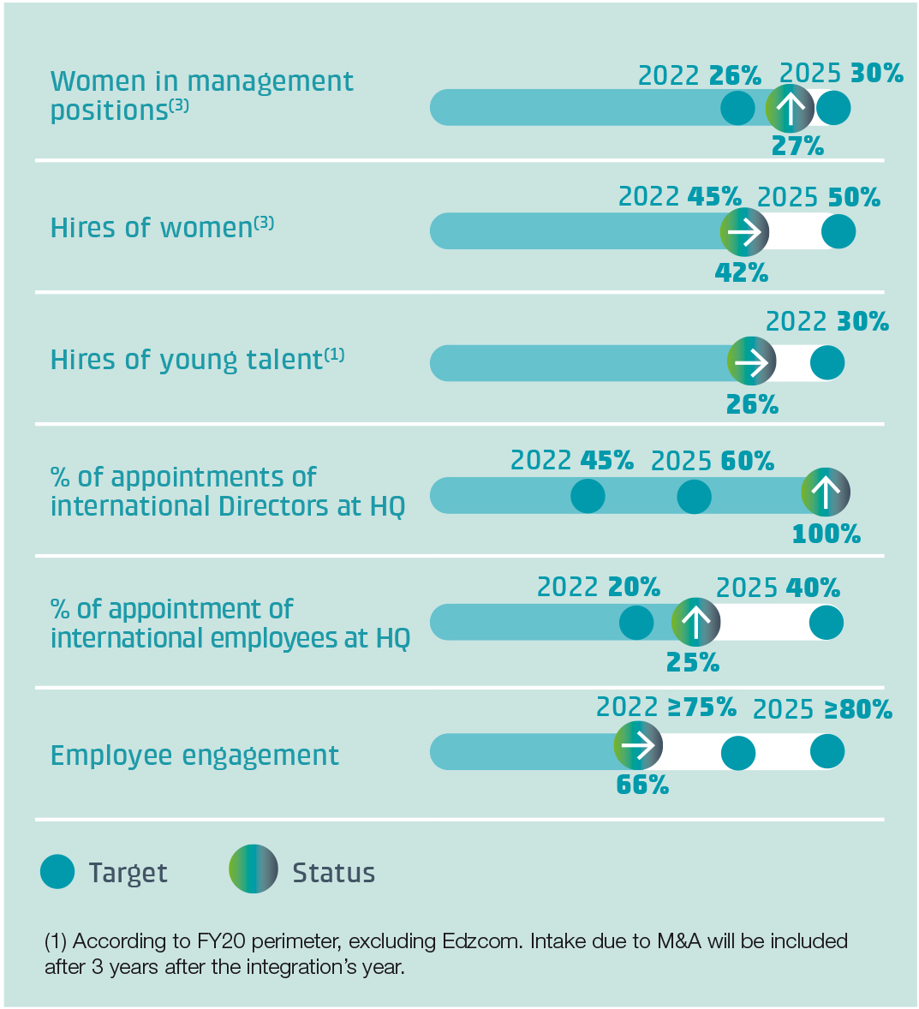

Cellnex, together with its customers, is committed to offering endless opportunities to bring the world closer through connectivity. Cellnex’s neutrality as a partner is a priority when it comes to providing reliable quality infrastructure to its customers, connecting businesses with people. Awareness of this responsibility as a team and as individuals in the organisation drives Cellnex to think big, seek innovative solutions and foster entrepreneurial spirit across the company. The Company is committed to contributing to a better connected and socially inclusive environment, as part of a comprehensive initiative that embodies the company's commitment to ESG. As well, Cellnex is a company where pride in belonging, professional motivation and a sense of purpose form a solid and fundamental basis to keep Growing Together.

Workforce
 | Workforce

 | Total number of employees, and a breakdown of this total by gender and by region (GRI 2-7) and Diversity of governance bodies and employees (GRI 405-1)

Gender distribution in 2022
Age distribution in 2022
Hedcount evolution
 | Headcount | 2022 | 2021 | 2020
 | Total headcount | 3,018 | 2,877 | 1,984
 | Full-time equivalent (FTE) | 2,992 | 2,852 | 1,959

 | Gender distribution | 2022 | 2021 | 2020
 | Women | 929 | 861 | 586
 | Men | 2,089 | 2,016 | 1,398
 | Total | 3,018 | 2,877 | 1,984

 | Age distribution | 2022 | 2021 | 2020
 | Under 30 | 244 | 219 | 132
 | 30 to 45 | 1,197 | 1,204 | 910
 | 46 to 55 | 1,246 | 1,157 | 793
Professional classification in 2022
Employment contract in 2022
100.00% | Over 55 | 331 | 297 | 149
 | Total | 3,018 | 2,877 | 1,984

 | Professional classification | 2022 | 2021 | 2020
 | Senior Management | 9 | 8 | 9
 | Directors | 102 | 100 | 76
 | Managers | 339 | 301 | 235
 | Coordinators/ Other professionals | 2,568 | 2,468 | 1,664
 | Total | 3,018 | 2,877 | 1,984

 | Employment contract | 2022 | 2021 | 2020
 | Fix | 98% | 97% | 96%
 | Temporary | 2% | 3% | 4%

 | Employment type | 2022 | 2021 | 2020
 | Full time | 98% | 98% | 97%
 | Part time | 2% | 2% | 3%
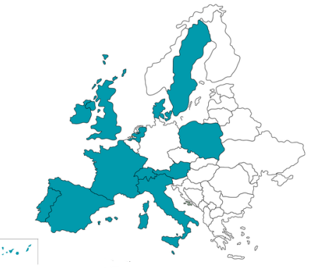
 | Country distribution | 2022 |  | 2021 |  | 2020
 |  | Workforce | % | Workforce | % | Workforce | %
 | Spain | 1,274 | 42.2% | 1,289 | 44.8% | 1,199 | 60.4%
 | Italy | 254 | 8.4% | 252 | 8.8% | 171 | 8.6%
100.00% | France | 283 | 9.4% | 259 | 9.0% | 131 | 6.6%
 | Switzerland | 55 | 1.8% | 50 | 1.7% | 48 | 2.4%
 | Netherlands | 104 | 3.4% | 107 | 3.7% | 73 | 3.7%
 | UK | 352 | 11.7% | 307 | 10.7% | 267 | 13.5%
 | Ireland | 43 | 1.4% | 37 | 1.3% | 25 | 1.3%
 | Portugal | 65 | 2.2% | 61 | 2.1% | 55 | 2.8%
 | Austria | 28 | 0.9% | 23 | 0.8% | 15 | 0.8%
 | Denmark | 28 | 0.9% | 25 | 0.9% | — | —
 | Sweden | 28 | 0.9% | 17 | 0.6% | — | —
 | Poland | 504 | 16.7% | 450 | 15.6% | — | —
 | Total | 3,018 | 100% | 2,877 | 100% | 1,984 | 100%

 | Senior Management | 2022 |  |  |  | 2021 |  |  |  | 2020
 |  | Women | % | Men | % | Women | % | Men | % | Women | % | Men | %
 | Under 30 | 0 | 0% | 0 | 0% | 0 | 0% | 0 | 0% | 0 | 0% | 0 | 0%
 | 30 to 45 | 1 | 1% | 0 | 0% | 1 | 13% | 1 | 13% | 1 | 11% | 1 | 11%
 | 46 to 55 | 1 | 0% | 4 | 1% | 0 | 0% | 3 | 38% | 0 | 0% | 2 | 22%
 | Over 55 | 0 | 0% | 3 | 0% | 0 | 0% | 3 | 38% | 0 | 0% | 5 | 56%
 | Total | 2 | 22% | 7 | 78% | 1 | 13% | 7 | 88% | 1 | 11% | 8 | 89%

 | New employee hires and employee turnover (GRI 401-1)

 | Turnover by type (1) | 2022 | 2021 | 2020
 | Non-voluntary | 2% | 0.1% | 3%
 | Voluntary | 8% | 5.5% | 4%
 | Total | 10% | 5.6% | 7%

 | New employee hires | 2022 | 2021 | 2020
 | Women | 20% | 38% | 37%
 | Men | 13% | 35% | 21%
 | Total | 15% | 36% | 26%
 | (1) Both individual and collective dismissals are taken into account.

Our people
 | Our People

 | Equity, Diversity and Inclusion (EDI)

 | Gender diversity | 2022 | 2021 | 2020
 | Women on the Board | 54.55% | 45.45% | 36.36%
 | Women in senior leadership positions | 35.95% | 26.50% | 25.58%
 | Women in STEM positions | 19.60% | 9.09% | Not available
 | Women in management positions | 27.00% | 23.80% | Not available
 | Women in management positions in revenue-generating functions | 16.67% | 6.67% | Not available

 | Equity & Inclusion | 2022 | 2021 | 2020
 | Number of different nationalities | 58 | 55 | Not available
 | Employees with different abilities | 26 | 19 | 15

 | Well-being
Wellbeing Ratings
100.00% | Pulse survey results (1) | 2022 | 2021
 | Diversity & Inclusion | 80% | 75%
 | Strategic focus | 75% | 82%
 | Engagement | 66% | 77%
 | Well-being | 52% | 49%
 | (1) The scope of the pulse survey in 2021 was: Spain, Denmark, France, Ireland, Netherlands, Portugal and United Kingdom, whereas in 2022 covers the 12 countries where Cellnex operates.

 | Health and safety (GRI 403-9, 403-10) (2)

 | Employee health and safety data | 2022 |  |  | 2021
 |  | Women | Men | Total | Women | Men | Total
 | Nº of accidents with injuries | 6 | 12 | 18 | 0 | 10 | 10
 | Nº of high-consequence work-related injuries | 0 | 0 | 0 | 0 | 0 | 0
 | Nº of accidents with leave | 1 | 2 | 3 | 0 | 5 | 5
 | Nª of work-related ill health | 0 | 0 | 0 | 0 | 0 | 0

 | Employee accident rates | 2022 |  |  | 2021
 |  | Women | Men | Total | Women | Men | Total
 | Lost Time Injury Frequency Rate (IFR) | 3.75 | 3.33 | 3.46 | 0.00 | 2.88 | 1.85
 | Rate of high-consequence work-related injuries | 0.00 | 0.00 | 0.00 | Not available | Not available | Not available
 | Lost Time Accident Frequency Rate (AFR) | 0.62 | 0.56 | 0.58 | 0.00 | 1.44 | 1.01
 | Accident severity rate (SR) | 0.01 | 0.00 | 0.01 | 0.00 | 0.00 | 0.00
 | Incident Rate of Occupational Diseases (IROD) | 0.00 | 0.00 | 0.00 | 0.00 | 0.00 | 0.00

Work & Absenteeism hours in 2022
 | Work Hours & Absenteeism | 2022 | 2021
 | Number of annual working hours | 5,200,014 | 5,411,096
 | Number of total absence hours | 140,009 | 103,795
 | Absenteeism Rate | 3% | 2%
 | (2) There have been no employee fatalities due to work-related accidents or ill health in the years reported. Regarding the non-employees whose work and/or workplace is controlled by the organization there has been one fatality (customer's worker) in 2022. • Lost Time Injury Frequency Rate (IFR) = (Nº accidents with injuries / Nº worked hours) x 106 • Lost Time Accident Frequency Rate (AFR) = (Nº accidents with leave / Nº worked hours) x 106 • Rate of high-consequence work-related injuries = (High-consequence work-related injuries in the reporting year / Nº worked hours) x 106 • Accident severity rate (SR) = (Nº lost days due accidents with leave / Nº worked hours) x 103 • Incident Rate of Occupational Diseases (IROD) = (Nº leaves due to diseases/Nº employees) x 103 • Worked hours: Number of theoretical hours • Lost days: Number of days lost due to clinical absenteeism (due to accident) • Absenteeism disclosed: Working days of sick leave due to occupational accidents or disease, maternity or paternity leave, temporary disability, unpaid leave.

 | Ratio of basic salary and remuneration of women to men and Gender pay gap (GRI 405-2)

 |  | 2022 |  | 2021
 | Employee Level | Average Women Salary | Average Men Salary | Average Women Salary | Average Men Salary
 | Senior Management (base salary) | (*) | 396,233 € | (*) | 260,000 €
 | Senior Management (base salary + other incentives) | (*) | 715,333 € | (*) | 438,124 €
 | Management level: Directors + Middle Management (base salary) | 86,060 € | 97,647 € | 84,321 € | 93,001 €
 | Management level: Directors + Middle Management (base salary + other incentives) | 105,469 € | 124,049 € | 101,739 € | 115,221 €
 | Coordinators / Other professionals (base salary) | 44,337 € | 46,900 € | 42,314 € | 44,993 €
 | Coordinators / Other professionals (base salary + other incentives) | 49,057 € | 51,726 € | Not available | Not available
 | (*) Due to confidentiality issues, the average remuneration data is not reported for these categories.
...
 |  | 2022 | 2021 | 2020
 |  | 1,801 | 1,786 | 1,495
 |  | 60% | 62% | 52%
...
Hours of training by profesional clasification in 2022
 |  | 2022 | 2021 | 2020
 |  | 322 | 431 | 282
 |  | 1,902 | 2,370 | 3,540
 |  | 9,035 | 5,143 | 7,986
 |  | 55,471 | 36,445 | 47,297
 |  | 66,730 | 44,389 | 59,104

 |  | 2022 | 2021 | 2020
 |  | 1,414 | 329 | 403
 |  | 10,985 | 9,072 | 7,850
 |  | 3,845 | 2,243 | 724
 |  | 1,315 | Not available | Not available
 |  | 586 | 899 | 689
 |  | 292 | Not available | Not available
Evolution of the average of training hours per employee
...
 |  | 2022 | 2021 | 2020
...
 |  | 21.5 | 14.7 | 37.3
 |  | 22.4 | 15.8 | 26.6
...
 |  | 35.8 | 53.9 | 31.4
 |  | 18.6 | 23.7 | 46.6
 |  | 26.7 | 17.1 | 34.0
 |  | 21.6 | 14.8 | 28.4
 |  | 22.1 | 15.4 | 29.8

 |  | 2022 | 2021 | 2020
 |  | 846 | 501 | 435

Value Chain
Value Chain

Supply chain (GRI 204-1, 308-1, 414-1)
Local suppliers
% of local suppliers | 0.9
% of non-local suppliers | 0.1
Suppliers |  | 2022 | 2021 | 2020
Total number of suppliers |  | 5,110 | 4,335 | 3,011
Total number of local suppliers |  | 4,613 | 3,901 | 2,732
% of local suppliers |  | 90% | 90% | 91%

Supplier assessment (Total number of suppliers evaluated) |  | 2022 | 2021 | 2020
Environment |  | 352 | 238 | 245
Social |  | 235 | 240 | 245
ESG |  | 352 | 238 | 245

Supplier assessment (Number of new suppliers screened) (1) |  | 2022 | 2021 | 2020
Environment |  | 103 | 27 | 55
Social |  | 84 | 29 | 55
ESG |  | 103 | 27 | 55
(1) New suppliers screened: Number of suppliers evaluated for the first time with respect to the total number of main suppliers in the reporting year.

Customer engagement

Customer Satisfaction (CSAT) (%)
Customer Effort Score (CES) (%)
Net Promoter Score (NPS) (%)
Results of the Customer Satisfaction Survey (2) |  | 2022 | 2021
Customer Satisfaction (CSAT) | Response | 40% | 40%
 | Extremly satisfied | 36% | 35%
 | Satisfied | 47% | 49%
 | Neutral | 10% | 11%
 | Not all satisfied | 7% | 5%
 | Score | 7.6 | 7.9
Net Promoter Score (NPS) | Response | 40% | 40%
 | Promoter | 41% | 44%
 | Passive | 42% | 41%
 | Detractors | 17% | 15%
 | Score | 25% | 28.0
Customer Effort Score (CES) | Response | 40% | 40%
 | High effort | 8% | 7%
 | Medium effort | 15% | 11%
 | Low effort | 44% | 50%
 | No effort | 33% | 32%
 | Score | 7.5 | 7.5
(2) Metodology of the CSAT: The survey is linked to the Cellnex Process Map and is broken down into five categories: General, Offer and Sell, Deliver Services, Assurance and Customer Care. The results of the main key indicators are segmented by customer ABC category (A: MNO and other critical customers, B: important customers, C: Long Tail customers) and by customer segment (Broadcast, Operators, Public Administrations and Enterprises).

GOVERNANCE ->
 | GOVERNANCE
 | Board of Directors and Executive Committee
 | Executive Remuneration
 | Business Ethics
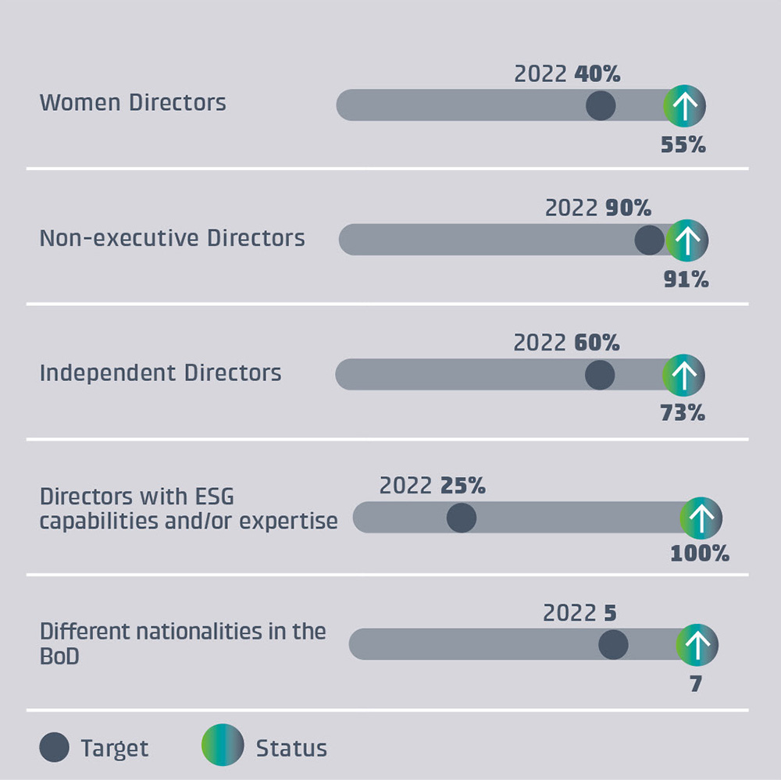

Cellnex is firmly committed to doing business under efficient and transparent corporate governance, which promotes this culture. Cellnex works to implement and consolidate the best corporate governance practices, essentially as set out in the Good Governance Code for listed companies. The actions of the Board of Directors and its Committees in the interests of the Company and in compliance with its legal and statutory functions and those arising from the Board of Directors' Regulations are oriented towards the corporate interest and to fulfilling its mission while abiding, in particular, by the Law, complying in good faith with explicit and implicit contracts with employees, suppliers, financiers and customers and, in general, observing such ethical duties that are reasonably imposed by a responsible business conduct.

BoD and Executive Committee
...
Diversity in the Board of Directors (GRI 405-1)

Key Indicators | 2022 | 2021
% of women | 55% | 45%
% of independent Directors | 73% | 73%
% of executive Directors | 9% | 9%
% non-executive Directors | 91% | 91%
Number of different Nationalities | 7 | 7

Composition of the Board of Directors (GRI 2-9)
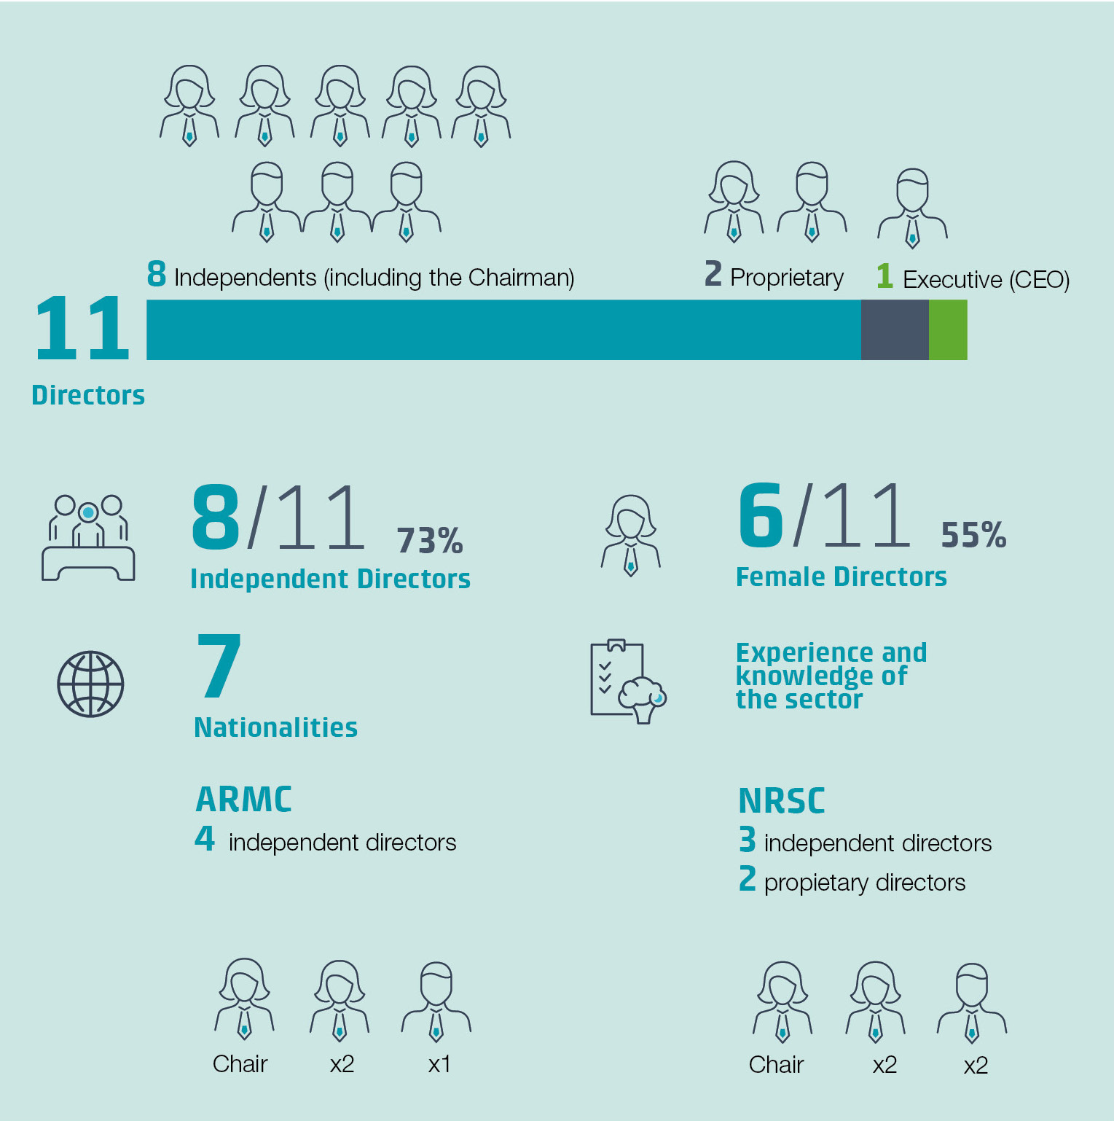
 |  |  |  | Board Member | Role | Category | Appointed | Gender | Natiolanlity
 |  |  |  | Bertrand Boudewijn Kan | Chairperson | Independent | 16/04/2015 (1) | Male | The Netherlands
 |  |  |  | Anne Bouverot | Non-executive director | Independent | 31/05/2018 (1) | Female | France
 |  |  |  | Kate Holgate | Non-executive director | Independent | 28/07/2021 (1) | Female | United Kindom
 |  |  |  | María Luisa Guijarro | Non-executive director | Independent | 31/05/2018 (1) | Female | Spain
 |  |  |  | Marieta del Rivero | Non-executive director | Independent | 27/04/2017 (2) | Female | Spain
 |  |  |  | Peter Shore | Non-executive director | Independent | 16/04/2015 (1) | Male | Australia & United Kindom
 |  |  |  | Ana García Fau | Non-executive director | Independent | 18/07/2022 | Female | Spain
 |  |  |  | Pierre Blayau | Non-executive director | Independent | 16/04/2015 (1) | Male | France
 |  |  |  | Christian Coco | Non-executive director | Proprietary | 02/04/2020 (2) | Male | Germany
 |  |  |  | Alexandra Reich | Non-executive director | Proprietary | 16/12/2020 (3) | Female | Austria
 |  |  |  | Tobias Martínez | Chief Executive Office | Executive | 17/11/2014 (1) | Male | Spain
 |  |  |  | Jaime Velázquez | Non-executive Secretary |  | 2019-12-31 | Male | Spain
 |  |  |  | Virginia Navarro | Non-Directorial Vice-Secretary |  | 2019-09-26 | Female | Spain

 |  |  |  | (1) Re-election 28/04/2022 |  |  | (P) President
Corporate Governance structure disclosed as of 31/12/2022. |  |  |  | (2) Re-election 21/07/2020 |  |  | Nominations, Remunerations and Sustainability Committee (NRSC)
Please check the corporate website for any subsequent changes that may arise. |  |  |  | (3) Re-election 29/03/2021 |  |  | Audit and Risk Management Committee (ARMC)

Composition of the Executive Committee

Executive members | Role |  | Gender
Tobias Martínez | Chief Executive Office |  | Male
Alex Mestre | Deputy CEO |  | Male
Virginia Navarro | Global Legal M&A & Financing Director |  | Female
Jose Mª Miralles | General Counsel - Legal and Regulatory Affairs |  | Male
...

Sustainability Ratings
Sustainability Ratings

CDP Climate Change
2017 | 6
2018 | 6
2019 | 8
2020 | 8
2021 | 8
2022 | 8
CDP
Climate Change
A
Max: A
Min: D-
Cellnex remains in the A List for the fourth consecutive year, maintaining its leadership position with an score of A that is even higher than the sector average (B)
...
A
A-
B
B-
C
C-
D
D-
...
Sustainalytics
ESG Risk Rating ⁽¹⁾
14.0
Max: 0
Min: +40
Consolidated as a low-risk ESG company, placing it in the top five companies in the global Telecom Services industry, Cellnex was ESG top-rated in 2022 and 2023
SustainalyticsESG Risk Rating
2018 | 24.9
2019 | 21
2020 | 19.6
2021 | 15.5
2022 | 14
...
 | (1) Risk rating, the closest to zero, the better.

S&P Global Corporate Sustainability Assessment (CSA)
2017 | 53
2018 | 57
2019 | 60
2020 | 66
2021 | 73
2022 | 81
S&P Global
Corporate Sustainability Assessment (CSA)
81
Max: 100
Min: 0
Cellnex has improved in the Governance (+8p) and Social (+15p) dimensions, upgrading its overall score to 81p in CSA 2022 (+8p vs CSA 2021, +c.11%). Included in the 2023 Sustainability Yearbook as ‘Industry Mover’.
...
FTSE4good
2017 | 3.6
2018 | 3.9
2019 | 4.4
2020 | 4.2
2021 | 4.4
2022 | 4.3
...
FTSE4Good
4.3
Max: 5
Min: 0
Annual performance decrease of 0.1p. Outstripping 1.4 points the average rating of the telecom industry and top performer in the Governance dimension.
...
MSCI
ESG Rating
A
Max: AAA
Min: CCC
Cellnex stands out for its leadership in Corporate Governance within telecom services; in 2022 it maintained its score of A, upgraded from BBB in 2021
MSCI ESG Rating
2017 | 2
2018 | 3
2019 | 3
2020 | 4
2021 | 5
2022 | 5
...
AAA
AA
A
BBB
BB
B
CCC
...
GRESB
Public disclosure
A
Max: A
Min: E
In 2022, Cellnex maintained its leadership position with an overall score of 85p (A) among its sector peers (which increased from 6 to 25 companies)
GRESB Infrastructure Public Disclosure
2019 | 4
2020 | 4
2021 | 5
2022 | 5
...
Bloomberg
Gender-Equality Index ⁽²⁾
78
Max: 100
Min: 0
Cellnex was included in the Bloomberg Gender Equality index for the first time in 2022 and has consolidated its position in 2023, increasing its overall score c.+4p
Bloomberg Gender-Equality Index
2021 | 73.4
2022 | 77.73
...
 | (2) Cellnex discloses to the Bloomberg Gender-Equality Index since 2021

Vigeo Eiris
60
Max: 100
Min: 0
In 2021, Cellnex has improved its performance in the Vigeo index, increasing its score by 15p (c.30%) year-on-year. No updates in 2022 due to methodological changes.
Vigeo Eiris
2018 | 41
2019 | 44
2020 | 45
2021 | 60
2022 | 60
...
Standard Ethics
EE
Max: EEE
Min: F
In early 2023, Cellnex was upgraded in the Corporate Standard Ethics Rating (SER) to “EE”, from “EE-“ previously, with a positive outlook. Member of the SE Spanish Index since 2017.
Standard Ethics
2017 | 5
2018 | 5
2019 | 5
2020 | 5
2021 | 5
2022 | 5
2023 | 6
...

