Index
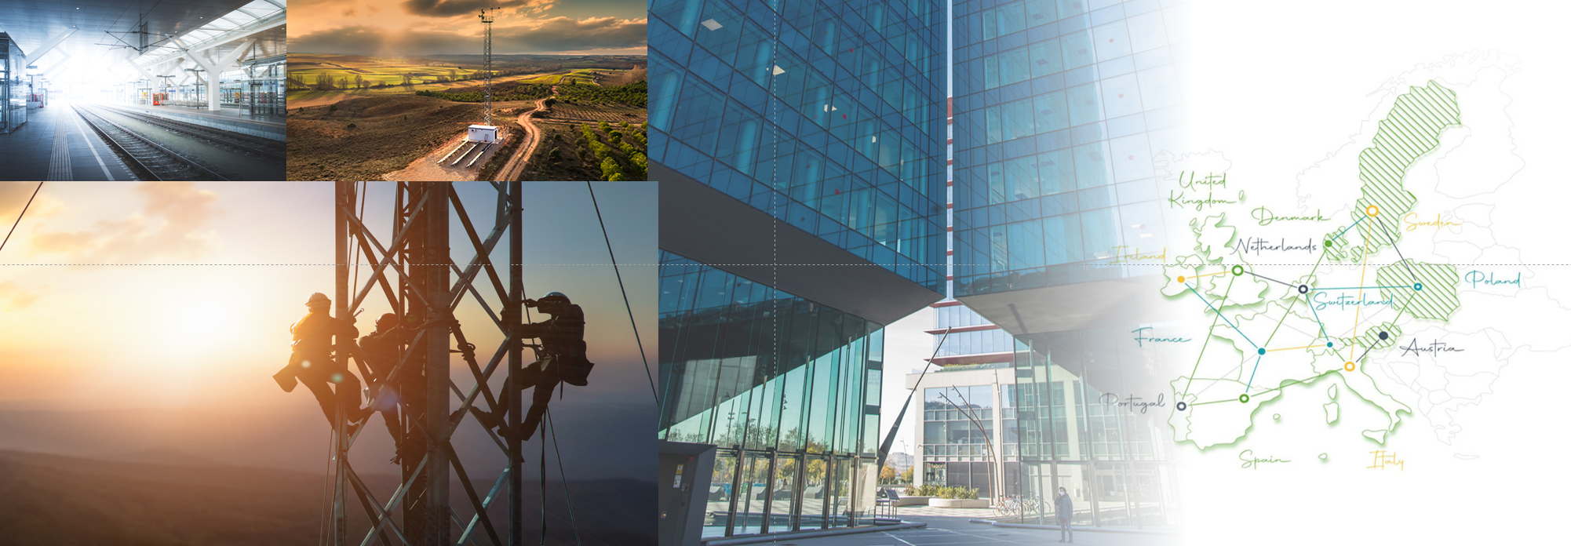

JANUARY - DECEMBER 2023 RESULTS

1. KPIs

2. M&A and BTS Tracker

3. Income Statement

4. Balance Sheet

5. Cash Flow

6. Debt Structure

7. Debt Instruments

8. Corporate Structure

9. Shareholder Structure

10. APMs Calculation

11. APMs Definitions

12. Disclaimer

8. Corporate Structure
December 2023

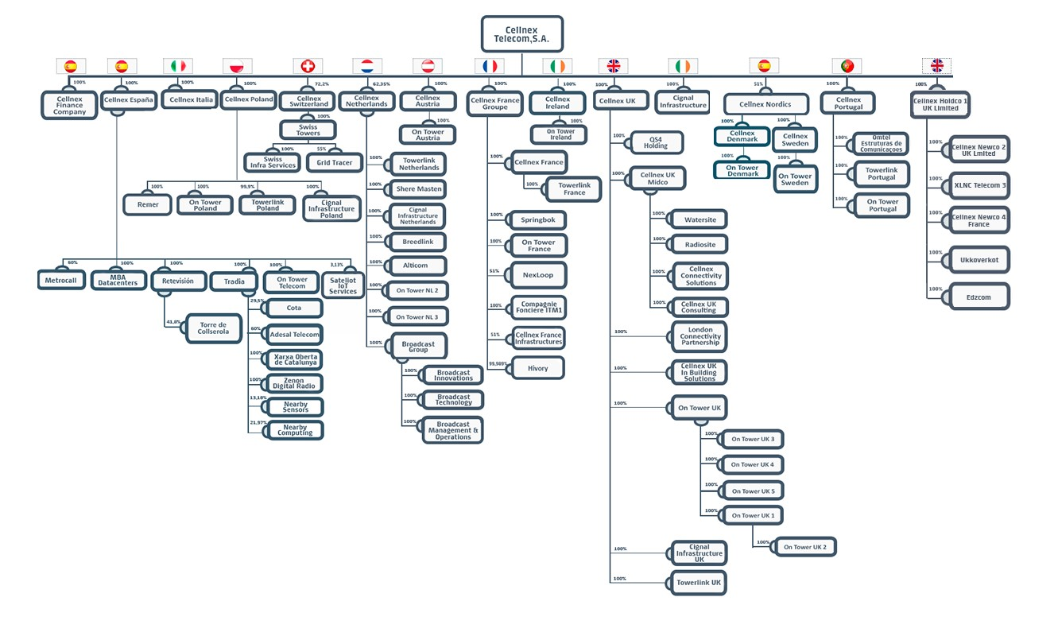

9.Shareholders
As of December 2023

Source: CNMV

Total number of shares outstanding |  | 706,475,375

Free Float | 50.8%
Edizione Holding | 9.9%
TCI | 9.4%
GIC | 7.0%
CPPIB | 5.2%
BlackRock | 5.1%
CK Hutchison | 4.8%
CaixaBank | 4.8%
Norges Bank | 3.0%

